Title
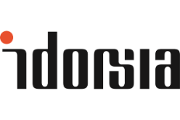

Daridorexant for the treament of insomnia disorder

Cost Effectiveness Model

United Kingdom

Version control

Version 2.00 | 28th May 2022 | Draft model for submission to NICE
Version 2.10 | 4th June 2022 | Updated to include Sheehan Disability Scale Results in addition to NHWS mapping for productivity losses
Version 2.15 | 21st June 2022 | Updated probabilistic analysis for reporting of expected values
Version 2.20 | 23rd June 2022 | Updated unit costs, added deterministic sensitivity analysis and further disaggregated events
Version 2.22 | 25th June 2022 | Fixed Tornado diagram including separating 301 & 303 and tidied up guide to sheets
Version 2.23 | 29th June 2022 | Corrected model following QC
Version 2.30 | 25th November 2022 | New gamma-Log GLM and ALDVMM model for utility as sensitivity analysis
Version 2.40 | 10th January 2023 | Finalised gamma-log GLM and ALDVMM models following acceptance at PhamacoEconomics-Open
Version 2.50 | 19th April 2023 | Added waning parameter, inflation factor for missing direct costs, AEs and GP training as per NICE request
 |  | Also included 25mg scenarios from both 301 and 302 as per NICE's request (severity sub group analysis removed)
Version 2.60 | 22nd May 2023 | Removed 25mg scenarios added at NICE's request (not a licensed dose). Incorporated AEs into base case (including PSA)
Version 2.71 | 16th October 2023 | New list price, full placebo correction, GP training
Version 2.75 | 30th October 2023 | New list price, selective attrition base case, no training costs
Version 2.76 | 1st July 2024 | Version to support manuscript submission

Background
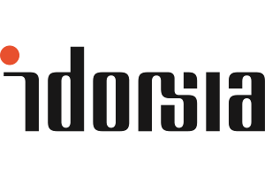

Background
Quviviq received a marketing authorisation valid throughout the EU on 29 April 2022.[1] In Europe, QUVIVIQ is indicated for the treatment of adult patients with insomnia with symptoms present for at least 3 months with considerable impact on daytime functioning.
QUVIVIQ is a dual orexin receptor antagonist, which blocks the binding of the wake-promoting neuropeptides orexins and is thought to turn down overactive wakefulness, as opposed to treatments that generally sedate the brain.
During the Phase 3 clinical program, QUVIVIQ demonstrated significant improvement versus placebo on objective measures of sleep onset and sleep maintenance, and patient reported total sleep time. The 50 mg dose of QUVIVIQ, which was evaluated in one of the two pivotal studies, demonstrated a significant reduction in patient reported daytime sleepiness, using a validated instrument. The most common adverse reactions (in at least 5% of patients and greater than placebo) were headache (placebo: 5%, 25 mg: 6%, 50 mg: 7%,) and somnolence or fatigue (placebo: 4%, 25 mg: 6%, 50 mg: 5%).
Phase 3 Clinical Program The efficacy of QUVIVIQ was evaluated in two multicenter, randomized, double-blind, placebo-controlled, parallel-group studies, Study 1 (NCT03545191) and Study 2 (NCT03575104).
A total of 1854 patients with Diagnostic and Statistical Manual of Mental Disorders, 5th edition (DSM-5®) insomnia were randomized to receive QUVIVIQ or placebo once daily, in the evening, for 3 months. Study 1 randomized 930 subjects to QUVIVIQ 50 mg (N = 310), 25 mg (N = 310) or placebo (N = 310). Study 2 randomized 924 subjects to QUVIVIQ 25 mg (N = 309), 10 mg (N = 307), or placebo (N = 308). The 10 mg dose is not an approved dose.
At the end of the 3-month treatment period, both studies included a 7-day placebo run-out period, after which patients could enter a 9-month, double-blind, placebo-controlled extension study (Study 3, NCT03679884). A total of 600 subjects were treated for at least 6 months of cumulative treatment, including 373 treated for at least 12 months.
Primary efficacy endpoints for both studies were the change from baseline to Month 1 and Month 3 in Latency to Persistent Sleep (LPS) and Wake After Sleep Onset (WASO), measured objectively by polysomnography in a sleep laboratory. LPS is a measure of sleep induction and WASO is a measure of sleep maintenance.
Secondary endpoints included in the statistical testing hierarchy with Type I error control were patient-reported Total Sleep Time (sTST), evaluated every morning at home using a validated Sleep Diary Questionnaire (SDQ).
In Study 1, doses of 25 and 50 mg QUVIVIQ showed a statistically significant improvement vs placebo on polysomnography (LPS, WASO) and self-reported total sleep (sTST), at Month 1 and Month 3.
In Study 2, QUVIVIQ 25 mg showed a statistically significant improvement vs placebo on WASO and sTST at Month 1 and Month 3. QUVIVIQ 10 mg did not show a statistically significant improvement on LPS, WASO, or sTST at Month 1 or Month 3.
The efficacy of QUVIVIQ was similar across subgroups based on age, sex, race, and region.
The 50 mg dose of QUVIVIQ, which was evaluated in one of the two pivotal studies, also demonstrated significant reduction in daytime sleepiness compared to placebo, as measured by the sleepiness domain score from the Insomnia Daytime Symptoms and Impacts Questionnaire (IDSIQ)[2] at month 1 and month 3 (key secondary endpoint). Results on this endpoint for the 25mg dose did not reach statistical significance in either study at both timepoints.
The most common reported adverse reactions (in at least 5% of patients and greater than placebo) were headache (placebo: 5%, 25 mg: 6%, 50 mg: 7%,) and somnolence or fatigue (placebo: 4%, 25 mg: 6%, 50 mg: 5%).
References
[1] EMA. Quviviq. https://www.ema.europa.eu/en/medicines/human/EPAR/quviviq#:~:text=As%20for%20all%20medicines%2C%20data,action%20taken%20to%20protect%20patients.&text=Quviviq%20received%20a%20marketing%20authorisation,EU%20on%2029%20April%202022.
[2] Hudgens S, Phillips-Beyer A, Newton L, Seboek Kinter D, Benes H. Development and validation of the Insomnia Daytime Symptoms and Impacts Questionnaire (IDSIQ). Patient. 2020;14(2): 249-268. https://doi. org/ 10. 1007/ s40271- 020- 00474-z

Ref | AEs
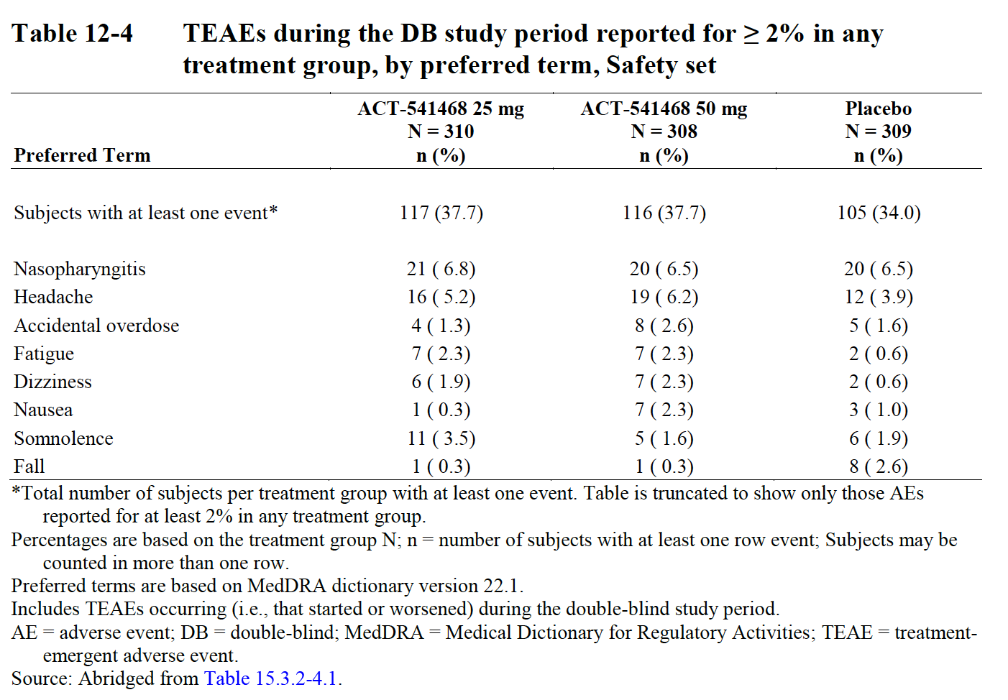
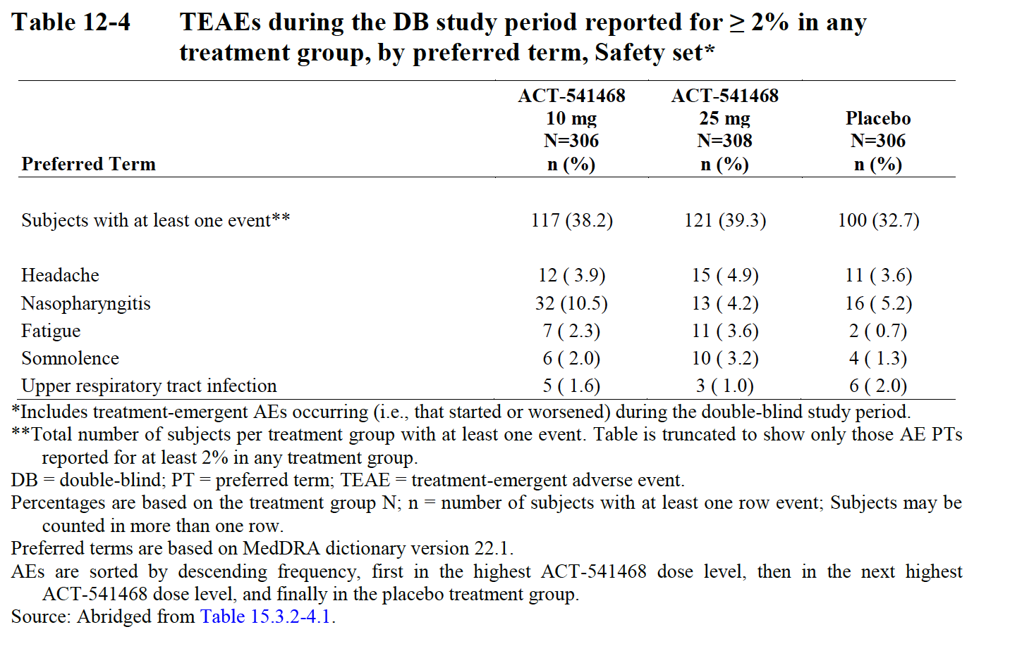
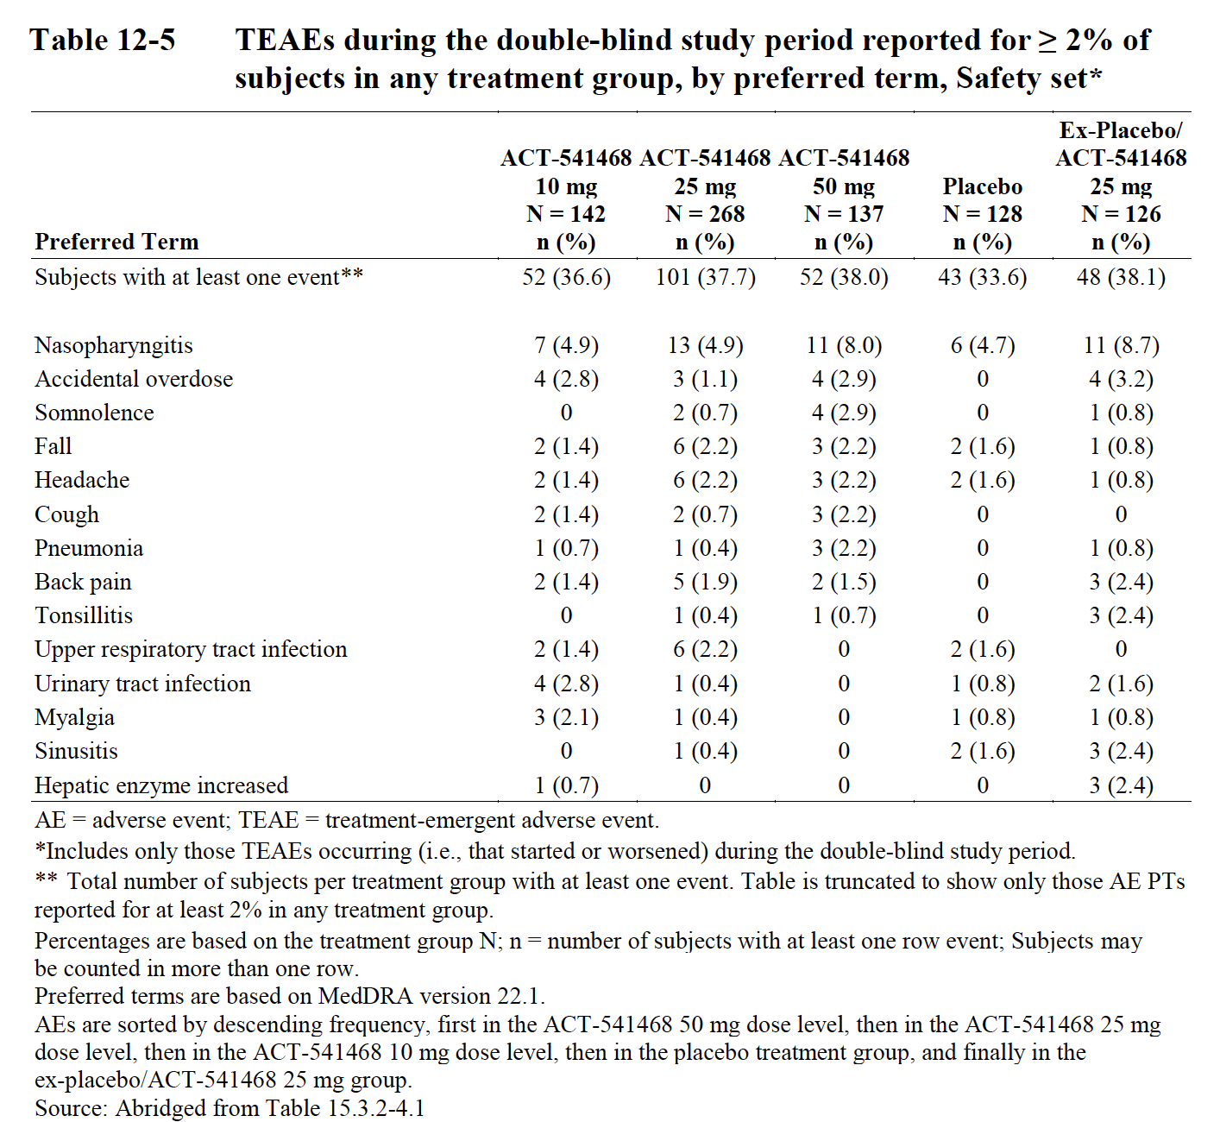
On this sheet the consequences of AEs in the treatment and placebo groups are calculated based on 301 and 303 data

 | Impact Estimates
Adverse Event | QoL impact | duration (days) | QALY | Cost* | Sources | Examples
Nasopharyngitis |  |  | 0.0100 | £39.23 | Jit et al 2010 (influenza) | • CSR 301: "On Day −15, the subject experienced a non-serious event of nasopharyngitis (PT) of mild intensity requiring treatment with xylometazoline hydrochloride (intranasal p.r.n.) and cineole from Day −15 to −8 (unknown dose, p.r.n)." • CSR 301: "On Day 73 the subject experienced non-serious nasopharyngitis (PT) of mild intensity, not requiring treatment." • CSR 301: "On Day 95, the subject experienced non-serious nasopharyngitis (PT) of mild intensity, requiring treatment with myrtol (unknown dose t.i.d.) from Day 95 to Day 103." • CSR 301: "On Day 85, the subject experienced non-serious nasopharyngitis (PT) of mild intensity, not requiring treatment." • CSR 301: "On Day −20, the subject experienced non-serious nasopharyngitis (PT) of moderate intensity, requiring treatment with paracetamol (500 mg b.i.d) and hedera helix leaf (b.i.d) from Day −20 to Day −14." • CSR 301: "On Day 46 the subject experienced non-serious nasopharyngitis (PT) of mild intensity not requiring treatment. "
Headache | 0.13 | 4 | 0.0014 | £39.23 | Domitrz et al 2022 (migraine) | • CSR 301: "On Day 5, the subject experienced a non-serious event of headache (PT) of mild intensity. The subject received ibuprofen (400 mg o.d.) from Day 5 to Day 7.” • CSR 301: "On Day −4 at 06:20 the subject experienced non-serious headache (PT) of mild intensity, requiring treatment with naproxen (550 mg, once) on Day −4. The event resolved on the same day at 15:00” • CSR 301: "On Days −11, −1 and 47 the subject experienced non-serious headache (PT) of moderate intensity, requiring treatment with paracetamol (650 mg, once) on both Days −11 and −1, and dexketoprofen trometamol (25 mg, once) on Day 47.” • CSR 301: "On Day 1, the subject experienced non-serious headache (PT) of mild intensity, requiring treatment with ibuprofen (600 mg once) on Day 1.”
Accidental overdose | 0 | 1 | 0.0000 | £39.23 | Assumption | • CSR 301: "On Day 84, the subject experienced non-serious disturbance in attention and hypersomnia (PT) both of mild intensity, not requiring treatment. The events resolved on the same day and were described as occurring due to an accidental overdose of 1 run-out tablet on Day 84. The investigator considered the events as related to study treatment and did not consider them as AESIs.” • CSR 301: "On Day 136, the subject experienced non-serious accidental overdose (PT) of mild intensity. The event occurred once on the reported day and was asymptomatic.”
Fatique | 0.13 | 4 | 0.0014 | £39.23 | Assumption (as for headache) | • CSR 301: "On Day 22 the subject experienced non-serious fatigue (PT) of moderate intensity not requiring treatment. The event resolved on the same day and was assessed as not related to study treatment by the investigator.” (daridorexant 50 mg) • CSR 301: "On Day 2, the subject experienced non-serious fatigue (PT) of moderate intensity, not requiring treatment. The event resolved on Day 36 and was assessed as related to study treatment by the investigator. The investigator considered the event as an AESI.” (daridorexant 50 mg) • CSR 301: "On Day 85, the subject experienced non-serious fatigue (PT) of mild intensity, not requiring treatment. The event resolved on Day 100 and was assessed as related to study treatment by the investigator. The investigator considered the event as being an AESI.” (daridorexant 50 mg) • CSR 301: "On Day −29 the subject experienced non-serious fatigue (PT) of mild intensity, not requiring treatment. The event did not resolve at the end of the study and was assessed as not related to study treatment by the investigator. The investigator did not consider the event as an AESI.”(placebo)
Dizziness | 0.13 | 4 | 0.0014 | £39.23 | Assumption (as for headache) | • CSR 301: "On Day 2, at 02:30, the subject experienced non-serious dizziness (PT) of moderate intensity, not requiring treatment. The event resolved on the same day at 09:15. The event was assessed as related to study treatment by the investigator.” (placebo) • CSR 301: "On Day 56, at 05:30, the subject experienced non-serious nausea, head discomfort, and dizziness (PTs), all of mild intensity not requiring treatment. All three events resolved on Day 62 at 12:00, and only head discomfort was assessed as related to study treatment by the investigator. The investigator did not consider the events as AESIs.” (placebo)
Nausea | 0.13 | 4 | 0.0014 | £43.23 | Assumption (as for headache) | • CSR 301: "On Day 56, at 05:30, the subject experienced non-serious nausea, head discomfort, and dizziness (PTs), all of mild intensity not requiring treatment. All three events resolved on Day 62 at 12:00, and only head discomfort was assessed as related to study treatment by the investigator.” (placebo) • CSR 301: "On Day −23, the subject experienced non-serious nausea (PT) of mild intensity not requiring treatment. The event resolved on Day −16 and was assessed as not related to study treatment by the investigator.” (placebo)
Somnolence | 0.13 | 4 | 0.0014 | £39.23 | Assumption (as for headache) | • CSR 301: "On Day 81 the subject experienced non-serious somnolence (PT) of mild intensity not requiring treatment. The event resolved on Day 82 and was assessed as related to study treatment by the investigator.” (placebo) • CSR 301: "On Day 90, the subject experienced non-serious somnolence (PT) of mild intensity not requiring treatment. The event resolved on Day 95 and was assessed as related to study treatment by the investigator. The investigator did not consider the event an AESI.” (daridorexant 50 mg)
Fall | 0.04 | 90 | 0.0020 | £68.31 | Matza et al 2014 (rib fracture) | • CSR 301: "On Day 21, the subject experienced non-serious fall with resulting rib fracture (PTs) both of mild intensity, requiring treatment with ibuprofen (600 mg, o.d.) from Day 21 to Day 24.” (placebo) • CSR 301: "On Day 18, the subject experienced a non-serious fall with resulting joint dislocation (PT) both of mild intensity, requiring treatment with ibuprofen (600 mg p.r.n.) from Day 20 to Day 22.” (placebo) • CSR 301: "On Day 76, the subject experienced non-serious fall with resulting radius fracture (PTs) of mild and moderate intensity, respectively, not requiring treatment. The radius fracture resolved on Day 110.” (placebo) • CSR 301: "On Day 85, the subject experienced non-serious fall and spinal column injury (PTs), both of mild intensity requiring treatment with paracetamol / tramadol hydrochloride (1 tablet, o.d.). The event of spinal column injury did not resolve at the end of the study and was assessed as not related to study treatment by the investigator.” (placebo) • CSR 301: "On Day 30, the subject experienced non-serious fall of moderate intensity with resulting intervertebral disc protrusion (PTs) of moderate intensity, requiring treatment with hydrocodone bitartrate / paracetamol (5/325 mg p.r.n.) on Day 30, cyclobenzaprine (10 mg p.r.n.) from Day 30 to 32, and ibuprofen (600 mg p.r.n.) from Day 32 to 33.” (placebo)
URTI | 1 | 1 | 0.0100 | £45.44 | Assumption (as for influenza) | • CSR 301: "On Day –8, the subject experienced non-serious upper respiratory tract infection (PT) of mild intensity not requiring any treatment. The event resolved on Day −2 and was assessed as not related to study treatment by the investigator.” (placebo) • CSR 301: "On Day –23, the subject experienced non-serious upper respiratory tract infection (PT) of mild intensity, not requiring treatment. The event resolved on Day −16 and was assessed as not related to study treatment by the investigator.” (daridorexant 25 mg)
Cough | 0.13 | 4 | 0.0014 | £39.23 | Assumption (as for headache) | • CSR 301: "On Day −7 the subject experienced non-serious cough (PT) of moderate intensity requiring treatment with azithromycin (250 mg o.d.) from Day −7 to Day −4. The event resolved on Day −1 and was assessed as not related to study treatment by the investigator.” (placebo) • CSR 301: "On Day 34, the subject experienced non-serious cough (PT) of mild intensity, requiring treatment with codeine phosphate; sulfogaiacol (15/300 mg t.i.d.) between Day 35 and Day 39. The event resolved on Day 39 and was assessed as not related to study treatment by the investigator.” (daridorexant 25 mg)
Pneumonia |  |  | 0.0100 | £45.44 | Assumption (as for influenza)
Back pain | 0.13 | 4 | 0.0014 | £39.23 | Assumption (as for headache)
Tonsilitis |  |  | 0.0100 | £45.44 | Assumption (as for influenza) | • CSR 301: "On Day 82 the subject experienced non-serious tonsillitis (PT) of moderate intensity, requiring treatment with ibuprofen (600 mg p.r.n.), paracetamol (1 g p.r.n.) and amoxicillin / clavulanic acid from Day 82 to Day 90. The event resolved on Day 90 and was assessed as not related to study treatment by the investigator.” (placebo)
UTI |  |  | 0.0100 | £45.44 | Assumption (as for influenza) | • CSR 301: "Elevated liver function test (values not known) and possible urinary tract infection were discovered on hospital admission. Placebo treatment was temporarily interrupted for an unknown period of time due to hospitalization. The subject received oral metronidazole (500 mg b.i.d.) and oral cefdinir (300 mg b.i.d.) for 10 days starting on 09Nov2018. The event resolved without sequelae on 09Nov2018 and was assessed as not related to the study treatment by the investigator.” (placebo)
Myalgia | 0.13 | 4 | 0.0014 | £39.23 | Assumption (as for headache)
Sinusitus | 0.13 | 4 | 0.0014 | £39.23 | Assumption (as for headache)
Hepatic enzyme increased | 0 | 1 | 0.0000 | £39.23 | Assumption

Frequency Tables
 | Adverse Event Frequency by Dose |  |  |  |  | Impacts |  | QALY cross products |  |  |  |  | Cost cross products
sample size |  | 310 | 308 | 309 |  |  |  |  | 310 | 308 | 309 |  |  | 310 | 308 | 309
Adverse Events in 301 | 10mg | 25mg | 50mg | Placebo | 25mg (ex.PLB) | QALY | Cost | 10mg | 25mg | 50mg | Placebo | 25mg (ex.PLB) | 10mg | 25mg | 50mg | Placebo | 25mg (ex.PLB)
Nasopharyngitis |  | 21 | 20 | 20 |  | 0.0100 | £39.23 |  | 0.2100 | 0.2000 | 0.2000 |  |  | £824 | £785 | £785
Headache |  | 16 | 19 | 12 |  | 0.0014 | £39.23 |  | 0.0228 | 0.0271 | 0.0171 |  |  | £628 | £745 | £471
Accidental overdose |  | 4 | 8 | 5 |  | 0.0000 | £39.23 |  | 0.0000 | 0.0000 | 0.0000 |  |  | £157 | £314 | £196
Fatique |  | 7 | 7 | 2 |  | 0.0014 | £39.23 |  | 0.0100 | 0.0100 | 0.0028 |  |  | £275 | £275 | £78
Dizziness |  | 6 | 7 | 2 |  | 0.0014 | £39.23 |  | 0.0085 | 0.0100 | 0.0028 |  |  | £235 | £275 | £78
Nausea |  | 1 | 7 | 3 |  | 0.0014 | £43.23 |  | 0.0014 | 0.0100 | 0.0043 |  |  | £43 | £303 | £130
Somnolence |  | 11 | 5 | 6 |  | 0.0014 | £39.23 |  | 0.0157 | 0.0071 | 0.0085 |  |  | £432 | £196 | £235
Fall |  | 1 | 1 | 8 |  | 0.0020 | £68.31 |  | 0.0020 | 0.0020 | 0.0158 |  |  | £68 | £68 | £546
URTI |  | 1 | 1 | 3 |  | 0.0100 | £45.44 |  | 0.0100 | 0.0100 | 0.0300 |  |  | £45 | £45 | £136
Total |  | 68 | 75 | 61 |  |  |  |  | 0.0009 | 0.0009 | 0.0009 |  |  | £8.73 | £9.76 | £8.60
difference from placebo |  | 7 | 14 | 0 |  |  |  |  | 0.0000 | 0.0000 | 0.0000 |  |  | £0.14 | £1.16 | £-

 | Adverse Event Frequency by Dose |  |  |  |  | Impacts |  | QALY cross products |  |  |  |  | Cost cross products
sample size | 142 | 268 | 137 | 128 | 126 |  |  | 142 | 268 | 137 | 128 | 126 | 142 | 268 | 137 | 128 | 126
Adverse Events in 303 | 10mg | 25mg | 50mg | Placebo | 25mg (ex.PLB) | QALY | Cost | 10mg | 25mg | 50mg | Placebo | 25mg (ex.PLB) | 10mg | 25mg | 50mg | Placebo | 25mg (ex.PLB)
#REF! | 7 | 13 | 11 | 6 | 11 | 0.0100 | £39.23 | 0.0700 | 0.1300 | 0.1100 | 0.0600 | 0.1100 | £275 | £510 | £432 | £235 | £432
Accidental overdose | 4 | 3 | 4 | 0 | 4 | 0.0000 | £39.23 | 0.0000 | 0.0000 | 0.0000 | 0.0000 | 0.0000 | £157 | £118 | £157 | £- | £157
Somnolence | 0 | 2 | 4 | 0 | 1 | 0.0014 | £39.23 | 0.0000 | 0.0028 | 0.0057 | 0.0000 | 0.0014 | £- | £78 | £157 | £- | £39
Fall | 2 | 6 | 3 | 2 | 1 | 0.0020 | £68.31 | 0.0039 | 0.0118 | 0.0059 | 0.0039 | 0.0020 | £137 | £410 | £205 | £137 | £68
Headache | 2 | 6 | 3 | 2 | 1 | 0.0014 | £39.23 | 0.0028 | 0.0085 | 0.0043 | 0.0028 | 0.0014 | £78 | £235 | £118 | £78 | £39
Cough | 2 | 2 | 3 | 0 | 0 | 0.0014 | £39.23 | 0.0028 | 0.0028 | 0.0043 | 0.0000 | 0.0000 | £78 | £78 | £118 | £- | £-
Pneumonia | 1 | 1 | 3 | 0 | 1 | 0.0100 | £45.44 | 0.0100 | 0.0100 | 0.0300 | 0.0000 | 0.0100 | £45 | £45 | £136 | £- | £45
Back pain | 2 | 5 | 2 | 0 | 3 | 0.0014 | £39.23 | 0.0028 | 0.0071 | 0.0028 | 0.0000 | 0.0043 | £78 | £196 | £78 | £- | £118
Tonsillitis | 0 | 1 | 1 | 0 | 3 | 0.0100 | £45.44 | 0.0000 | 0.0100 | 0.0100 | 0.0000 | 0.0300 | £- | £45 | £45 | £- | £136
URTI | 2 | 6 | 0 | 2 | 0 | 0.0100 | £45.44 | 0.0200 | 0.0600 | 0.0000 | 0.0200 | 0.0000 | £91 | £273 | £- | £91 | £-
UTI | 4 | 1 | 0 | 1 | 2 | 0.0100 | £45.44 | 0.0400 | 0.0100 | 0.0000 | 0.0100 | 0.0200 | £182 | £45 | £- | £45 | £91
Myalgia | 3 | 1 | 0 | 1 | 1 | 0.0014 | £39.23 | 0.0043 | 0.0014 | 0.0000 | 0.0014 | 0.0014 | £118 | £39 | £- | £39 | £39
Sinusitis | 0 | 1 | 0 | 2 | 3 | 0.0014 | £39.23 | 0.0000 | 0.0014 | 0.0000 | 0.0028 | 0.0043 | £- | £39 | £- | £78 | £118
Heaptic enzyme increased | 1 | 0 | 0 | 0 | 3 | 0.0000 | £39.23 | 0.0000 | 0.0000 | 0.0000 | 0.0000 | 0.0000 | £39 | £- | £- | £- | £118
Total | 30 | 48 | 34 | 16 | 34 |  |  | 0.0011 | 0.0010 | 0.0013 | 0.0008 | 0.0015 | £9 | £8 | £11 | £6 | £11
difference from placebo | 14 | 32 | 18 | 0 | 18 |  |  | 0.0003 | 0.0002 | 0.0005 | 0.0000 | 0.0007 | £4 | £2 | £5 | £- | £6

GRAPH | 1 year ISI
 | Full placebo correction 301 & 303 (ITT analysis) | Selective attrition (company preferred base case) | No placebo correction (real-world scenario) | Daridorexant 50mg
0 | 19.212 | 19.212 | 19.212 | 19.212
4 | 15.986 | 15.986 | 19.212 | 14.290
12 | 13.885 | 13.885 | 19.212 | 11.903
26 | 12.910 | 13.885 | 19.212 | 11.300
39 | 12.401 | 13.885 | 19.212 | 10.700
52 | 11.885 | 13.885 | 19.212 | 10.200

GRAPH | 1 year QALY
 | Full placebo correction 301 & 303 (ITT analysis) | Selective attrition (company preferred base case) | No placebo correction (real world scenario) | Daridorexant 50mg
0 | 0.614 | 0.614 | 0.614 | 0.614
4 | 0.668 | 0.668 | 0.614 | 0.693
12 | 0.699 | 0.699 | 0.614 | 0.726
26 | 0.713 | 0.699 | 0.614 | 0.733
39 | 0.719 | 0.699 | 0.614 | 0.741
52 | 0.726 | 0.699 | 0.614 | 0.747

GRAPH | HCRU
 | GP visits | ER attendances | IP stays | OP+meds
0 | £256 | £57 | £165 | £186
1 | £261 | £59 | £167 | £189
2 | £265 | £61 | £170 | £193
3 | £269 | £63 | £173 | £196
4 | £273 | £65 | £176 | £200
5 | £278 | £67 | £179 | £204
6 | £282 | £69 | £183 | £208
7 | £287 | £71 | £186 | £211
8 | £291 | £73 | £189 | £215
9 | £296 | £76 | £192 | £219
10 | £301 | £78 | £196 | £224
11 | £306 | £81 | £199 | £228
12 | £311 | £83 | £202 | £232
13 | £316 | £86 | £206 | £236
14 | £321 | £89 | £209 | £241
15 | £326 | £92 | £213 | £245
16 | £331 | £95 | £217 | £250
17 | £337 | £98 | £221 | £255
18 | £342 | £101 | £224 | £260
19 | £348 | £104 | £228 | £265
20 | £353 | £108 | £232 | £270
21 | £359 | £111 | £236 | £275
22 | £365 | £115 | £240 | £280
23 | £370 | £119 | £245 | £285
24 | £376 | £123 | £249 | £291
25 | £383 | £127 | £253 | £296
26 | £389 | £131 | £258 | £302
27 | £395 | £135 | £262 | £308
28 | £401 | £139 | £267 | £314

GRAPH | HCRU Δ
 | GP visits | ER attendances | IP stays
0 | £4 | £2 | £3
1 | £4 | £2 | £3
2 | £4 | £2 | £3
3 | £4 | £2 | £3
4 | £4 | £2 | £3
5 | £4 | £2 | £3
6 | £5 | £2 | £3
7 | £5 | £2 | £3
8 | £5 | £2 | £3
9 | £5 | £2 | £3
10 | £5 | £3 | £3
11 | £5 | £3 | £3
12 | £5 | £3 | £4
13 | £5 | £3 | £4
14 | £5 | £3 | £4
15 | £5 | £3 | £4
16 | £5 | £3 | £4
17 | £5 | £3 | £4
18 | £6 | £3 | £4
19 | £6 | £3 | £4
20 | £6 | £4 | £4
21 | £6 | £4 | £4
22 | £6 | £4 | £4
23 | £6 | £4 | £4
24 | £6 | £4 | £4
25 | £6 | £4 | £4
26 | £6 | £4 | £4
27 | £6 | £4 | £5

GRAPH | WPAI
 | Absenteeism | Presenteeism
0 | £1,587 | £4,833
1 | £1,709 | £5,025
2 | £1,841 | £5,222
3 | £1,982 | £5,425
4 | £2,134 | £5,634
5 | £2,298 | £5,846
6 | £2,475 | £6,064
7 | £2,665 | £6,285
8 | £2,869 | £6,510
9 | £3,090 | £6,738
10 | £3,327 | £6,968
11 | £3,583 | £7,200
12 | £3,858 | £7,431
13 | £4,154 | £7,661
14 | £4,473 | £7,889
15 | £4,817 | £8,112
16 | £5,187 | £8,329
17 | £5,585 | £8,536
18 | £6,014 | £8,733
19 | £6,476 | £8,914
20 | £6,973 | £9,078
21 | £7,509 | £9,219
22 | £8,086 | £9,332
23 | £8,707 | £9,414
24 | £9,375 | £9,456
25 | £10,095 | £9,453
26 | £10,871 | £9,395
27 | £11,706 | £9,275
28 | £12,605 | £9,081

GRAPH | WPAI Δ
 | Absenteeism | Presenteeism
0 | £122 | £192
1 | £131 | £198
2 | £141 | £203
3 | £152 | £208
4 | £164 | £213
5 | £177 | £217
6 | £190 | £222
7 | £205 | £225
8 | £220 | £228
9 | £237 | £230
10 | £256 | £231
11 | £275 | £231
12 | £296 | £230
13 | £319 | £228
14 | £344 | £223
15 | £370 | £217
16 | £398 | £208
17 | £429 | £196
18 | £462 | £182
19 | £497 | £163
20 | £536 | £141
21 | £577 | £114
22 | £621 | £81
23 | £669 | £42
24 | £720 | £(3)
25 | £775 | £(57)
26 | £835 | £(120)
27 | £899 | £(194)

GRAPH | CE Plane
0.02 | 397.72 | 0.025 | 500
0.02 | 369.93 | 0 | 0
0.03 | 413.70 | 0.016666666667 | 500
0.02 | 405.11
0.02 | 409.02
0.03 | 422.33
0.02 | 359.73
0.02 | 402.82
0.02 | 397.82
0.02 | 431.36
0.03 | 379.87
0.02 | 416.46
0.01 | 412.71
0.02 | 424.87
0.03 | 356.27
0.02 | 408.70
0.02 | 399.10
0.03 | 381.93
0.02 | 383.69
0.02 | 380.50
0.03 | 417.06
0.03 | 372.59
0.02 | 383.71
0.02 | 412.92
0.03 | 409.01
0.02 | 395.04
0.03 | 386.58
0.02 | 383.74
0.03 | 385.68
0.02 | 395.02
0.02 | 383.30
0.02 | 388.04
0.03 | 424.64
0.02 | 437.18
0.02 | 404.10
0.03 | 420.41
0.02 | 411.91
0.02 | 395.97
0.02 | 403.47
0.02 | 419.66
0.02 | 404.23
0.02 | 405.60
0.02 | 395.36
0.03 | 410.29
0.02 | 398.98
0.03 | 382.78
0.02 | 395.34
0.02 | 402.21
0.02 | 399.50
0.02 | 383.82
...

GRAPH | Tornado
Unit Costs | £25,107 | £(8,825) | £9,029
PerTotal | £25,034 | £(8,752) | £9,049
ER visits | £24,925 | £(8,643) | £9,143
GP visits | £24,804 | £(8,522) | £9,314
drop-out | £24,757 | £(8,475) | £9,443
IP visits | £24,513 | £(8,231) | £9,597
Adverse Events | £24,475 | £(8,193) | £9,715
GP Training | £24,616 | £(8,334) | £10,179
utility | £23,746 | £(7,464) | £10,378
ISI values 301 | £18,587 | £(2,305) | £22,713
ISI values 303 | £17,782 | £(1,499) | £29,181

GRAPH | SDS
 | Absenteeism | Presenteeism | Total
PBO | £94 | £190 | £285
D50mg | £97 | £192 | £289
Difference | £3 | £2 | £4
PBO | £66 | £121 | £186
D50mg | £57 | £96 | £153
Difference | £(9) | £(25) | £(33)
PBO | £120 | £174 | £293
D50mg | £80 | £116 | £195
Difference | £(40) | £(58) | £(98)
PBO | £111 | £270 | £382
D50mg | £- | £112 | £112
Difference | £(111) | £(158) | £(270)
PBO | £111 | £212 | £324
D50mg | £34 | £105 | £139
Difference | £(77) | £(107) | £(184)
PBO | £111 | £151 | £263
D50mg | £- | £38 | £38
Difference | £(111) | £(113) | £(224)

GRAPH | Waning
 | 0% Waning | 5% Waning | 10% Waning | 10% Waning with challenge
1 | £16,282 | £16,282 | £16,282 | £16,282
2 | £13,052 | £13,395 | £13,757 | £14,225
3 | £12,068 | £12,684 | £13,343 | £13,567
4 | £11,593 | £12,464 | £13,408 | £13,246
5 | £11,314 | £12,431 | £13,653 | £13,057
6 | £11,131 | £12,485 | £13,981 | £12,933
7 | £11,002 | £12,587 | £14,351 | £12,847
8 | £10,907 | £12,715 | £14,740 | £12,784
9 | £10,833 | £12,858 | £15,138 | £12,736
10 | £10,776 | £13,010 | £15,536 | £12,699
11 | £10,726 | £13,162 | £15,927 | £12,667
12 | £10,685 | £13,317 | £16,309 | £12,641
13 | £10,651 | £13,471 | £16,680 | £12,620
14 | £10,622 | £13,622 | £17,039 | £12,602
15 | £10,598 | £13,771 | £17,383 | £12,588
16 | £10,577 | £13,915 | £17,712 | £12,576
17 | £10,559 | £14,055 | £18,026 | £12,566
18 | £10,543 | £14,190 | £18,323 | £12,557
19 | £10,530 | £14,319 | £18,605 | £12,550
20 | £10,517 | £14,443 | £18,871 | £12,544
21 | £10,505 | £14,561 | £19,120 | £12,538
22 | £10,495 | £14,673 | £19,354 | £12,533
23 | £10,485 | £14,779 | £19,574 | £12,528
24 | £10,476 | £14,880 | £19,780 | £12,525
25 | £10,469 | £14,976 | £19,971 | £12,521
26 | £10,462 | £15,067 | £20,150 | £12,518
27 | £10,456 | £15,152 | £20,317 | £12,516
28 | £10,450 | £15,233 | £20,472 | £12,514
29 | £10,445 | £15,309 | £20,616 | £12,512
30 | £10,441 | £15,380 | £20,749 | £12,511
31 | £10,436 | £15,446 | £20,873 | £12,509
32 | £10,431 | £15,509 | £20,987 | £12,507
33 | £10,427 | £15,567 | £21,093 | £12,506
34 | £10,424 | £15,621 | £21,191 | £12,505
35 | £10,420 | £15,672 | £21,282 | £12,504
36 | £10,417 | £15,720 | £21,365 | £12,503
37 | £10,414 | £15,764 | £21,442 | £12,503
38 | £10,412 | £15,806 | £21,513 | £12,502
39 | £10,410 | £15,844 | £21,579 | £12,501
40 | £10,408 | £15,880 | £21,639 | £12,501
41 | £10,405 | £15,914 | £21,695 | £12,500
42 | £10,403 | £15,944 | £21,746 | £12,500
43 | £10,401 | £15,973 | £21,793 | £12,500
44 | £10,399 | £16,000 | £21,837 | £12,499
45 | £10,398 | £16,024 | £21,876 | £12,499
46 | £10,396 | £16,047 | £21,913 | £12,499
47 | £10,395 | £16,068 | £21,947 | £12,499
48 | £10,393 | £16,088 | £21,978 | £12,498
49 | £10,392 | £16,106 | £22,007 | £12,498
50 | £10,391 | £16,123 | £22,033 | £12,498
...

